263 Idealised Data for Report
Mean ADC
Volume of Water | Mean ADC | Mean Voltage
0 | 3521.83 | 3.22
5 | 3387.7 | 3.15
10 | 3178.18 | 3.1
15 | 2967.03 | 2.98
20 | 2762.3 | 2.9407
25 | 2499.55 | 2.88
30 | 2340.33 | 2.81
35 | 2087.68 | 2.7267
40 | 1945.88 | 2.68
45 | 1743.98 | 2.622
50 | 1583.85 | 2.5827
55 | 1445 | 2.4717
60 | 1260.38 | 2.41

range of ADC: | 2261.45
highest data deviation: | 81.32 | 3.596

203 STM
ADC value of cups
Volume of Water | Cup 1 (grey) | Cup 2 (blue) | Mean ADC | Mean Voltage | Ideal
0 | 3507.00 | 3536.65 | 3521.83 | 3.2723 | 3500.00
5 | 3375.45 | 3399.95 | 3387.70 | 3.1880 | 3351.50
10 | 3099.20 | 3257.15 | 3178.18 | 3.1280 | 3203.00
15 | 2938.30 | 2995.75 | 2967.03 | 3.0397 | 3054.50
20 | 2790.10 | 2834.50 | 2812.30 | 2.9107 | 2906.00
25 | 2514.00 | 2485.10 | 2499.55 | 2.8387 | 2757.50
30 | 2148.40 | 2332.25 | 2240.33 | 2.7537 | 2609.00
35 | 1966.80 | 1938.55 | 1952.68 | 2.7267 | 2460.50
40 | 1789.65 | 1830.10 | 1809.88 | 2.6317 | 2312.00
45 | 1673.25 | 1614.70 | 1643.98 | 2.6220 | 2163.50
50 | 1571.90 | 1555.80 | 1563.85 | 2.5827 | 2015.00
55 | 1476.90 | 1419.10 | 1448.00 | 2.4717 | 1866.50
60 | 1413.85 | 1306.90 | 1360.38 | 2.5457 | 1718.00
65 | 1377.45 | 1339.30 | 1358.38 | 2.4920 | 1569.50
70 | 1309.20 | 1254.40 | 1281.80 | 2.4490 | 1421.00
75 | 1211.60 | 1104.50 | 1158.05 | 2.3653 | 1272.50
80 | 965.95 | 1006.50 | 986.23 | 2.3667 | 1124.00
85 | 964.40 | 926.90 | 945.65 | 2.3547 | 975.50
90 | 897.30 | 836.90 | 867.10 | 2.3720 | 827.00
95 | 876.75 | 813.60 | 845.18 | 2.3550 | 678.50
100 | 807.80 | 792.75 | 800.28 | 2.3363 | 530.00

ADC vs Voltage

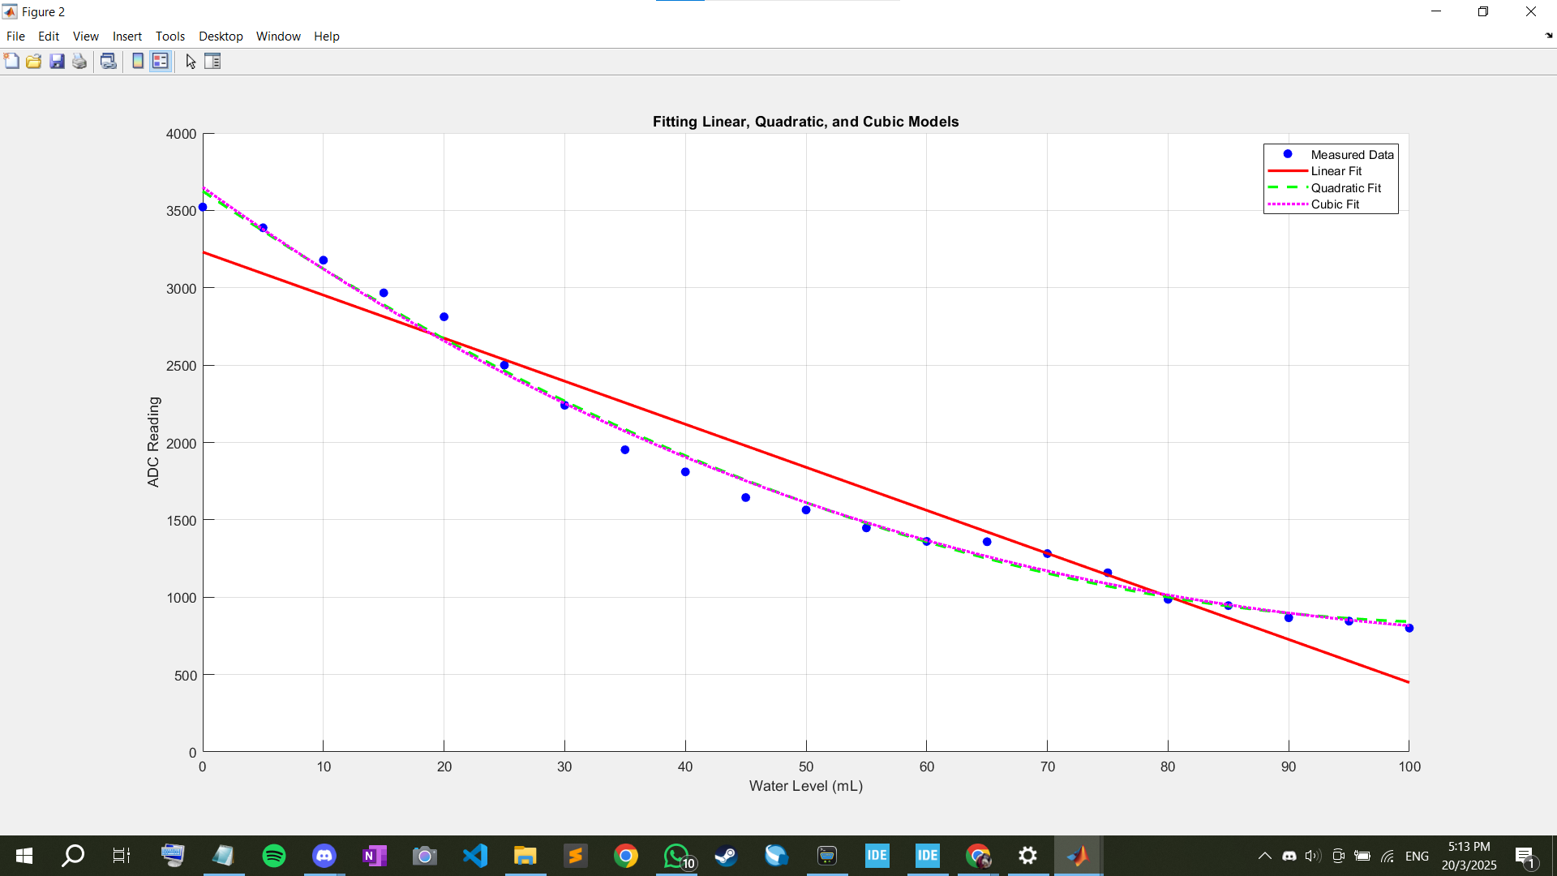
 | R² for Linear Model: 0.9376
 | R² for Quadratic Model: 0.9921
 | R² for Cubic Model: 0.9923

193 Calibration
volume of water (ml) | Vsig (1) | Vsig (2) | Vsig (3) | Mean | Difference |  | cup
0 | 3.266 | 3.276 | 3.275 | 3.2723 |  |  | pink = 1
5 | 3.18 | 3.188 | 3.196 | 3.1880 | -0.0843 | -2.58% | blue = 2
10 | 3.142 | 3.111 | 3.131 | 3.1280 | -0.0600 | -1.88% | grey = 3
15 | 3.036 | 3.018 | 3.065 | 3.0397 | -0.0883 | -2.82%
Mean
20 | 2.905 | 2.865 | 2.962 | 2.9107 | -0.1290 | -4.24%
25 | 2.846 | 2.828 | 2.842 | 2.8387 | -0.0720 | -2.47%
30 | 2.781 | 2.715 | 2.765 | 2.7537 | -0.0850 | -2.99%
35 | 2.714 | 2.717 | 2.749 | 2.7267 | -0.0270 | -0.98%
40 | 2.623 | 2.623 | 2.649 | 2.6317 | -0.0950 | -3.48%
45 | 2.586 | 2.666 | 2.614 | 2.6220 | -0.0097 | -0.37%
50 | 2.573 | 2.603 | 2.572 | 2.5827 | -0.0393 | -1.50%
55 | 2.462 | 2.493 | 2.46 | 2.4717 | -0.1110 | -4.30%
60 | 2.572 | 2.54 | 2.525 | 2.5457 | 0.0740 | 2.99%
65 | 2.492 | 2.492 | 2.492 | 2.4920 | -0.0537 | -2.11%
70 | 2.492 | 2.44 | 2.415 | 2.4490 | -0.0430 | -1.73%
75 | 2.362 | 2.353 | 2.381 | 2.3653 | -0.0837 | -3.42%
80 | 2.386 | 2.379 | 2.335 | 2.3667 | 0.0013 | 0.06%
85 | 2.349 | 2.35 | 2.365 | 2.3547 | -0.0120 | -0.51%
90 | 2.355 | 2.381 | 2.38 | 2.3720 | 0.0173 | 0.74%
95 | 2.357 | 2.349 | 2.359 | 2.3550 | -0.0170 | -0.72%
100 | 2.333 | 2.34 | 2.336 | 2.3363 | -0.0187 | -0.79%

Slope (gradient) | -0.009 | 3.119 | Y-intercept
Standard error | 0.001 | 0.038 | Standard error value for the y-intercept
Coefficient of determination | 0.913 | 0.091 | Standard error for the y estimate
F statistic | 198.419 | 19.000 | Number of degrees of freedom
Regression sum of squares | 1.644 | 0.157 | Residual sum of squares

 | Your range | Divide by 2
(min) | 2.34 | 1.168
(max) | 3.27 | 1.636

Vin = [1.168, 1.636] to an output range of Vamp = [0.5, 3.0]
0.5 = m*1.1.168 + c 3.0 = m*1.636 + c
m = | 5.342
c = | -5.740

Vamp = 5.342*Vin - 5.740 |  | (Equation 4)
Assuming Rg >> R1||R2, we can use the ratio of Rf/ Rg = m -1. Therefore, Rf/ Rg = 4.342
Rf | 44000 |  | R1 | 4920.0000
Rg | 10000 |  | R2 | 3200.0000
Rp | 10000 |  | R3 | 1 MΩ
 |  |  | R4 | 1 MΩ

rf/rg | 4.4
r2/r1+r2 | 0.3952831956
r1/r2 (calculated) | 1.529831805
r1/r2 (actual) | 1.5375

